Calender
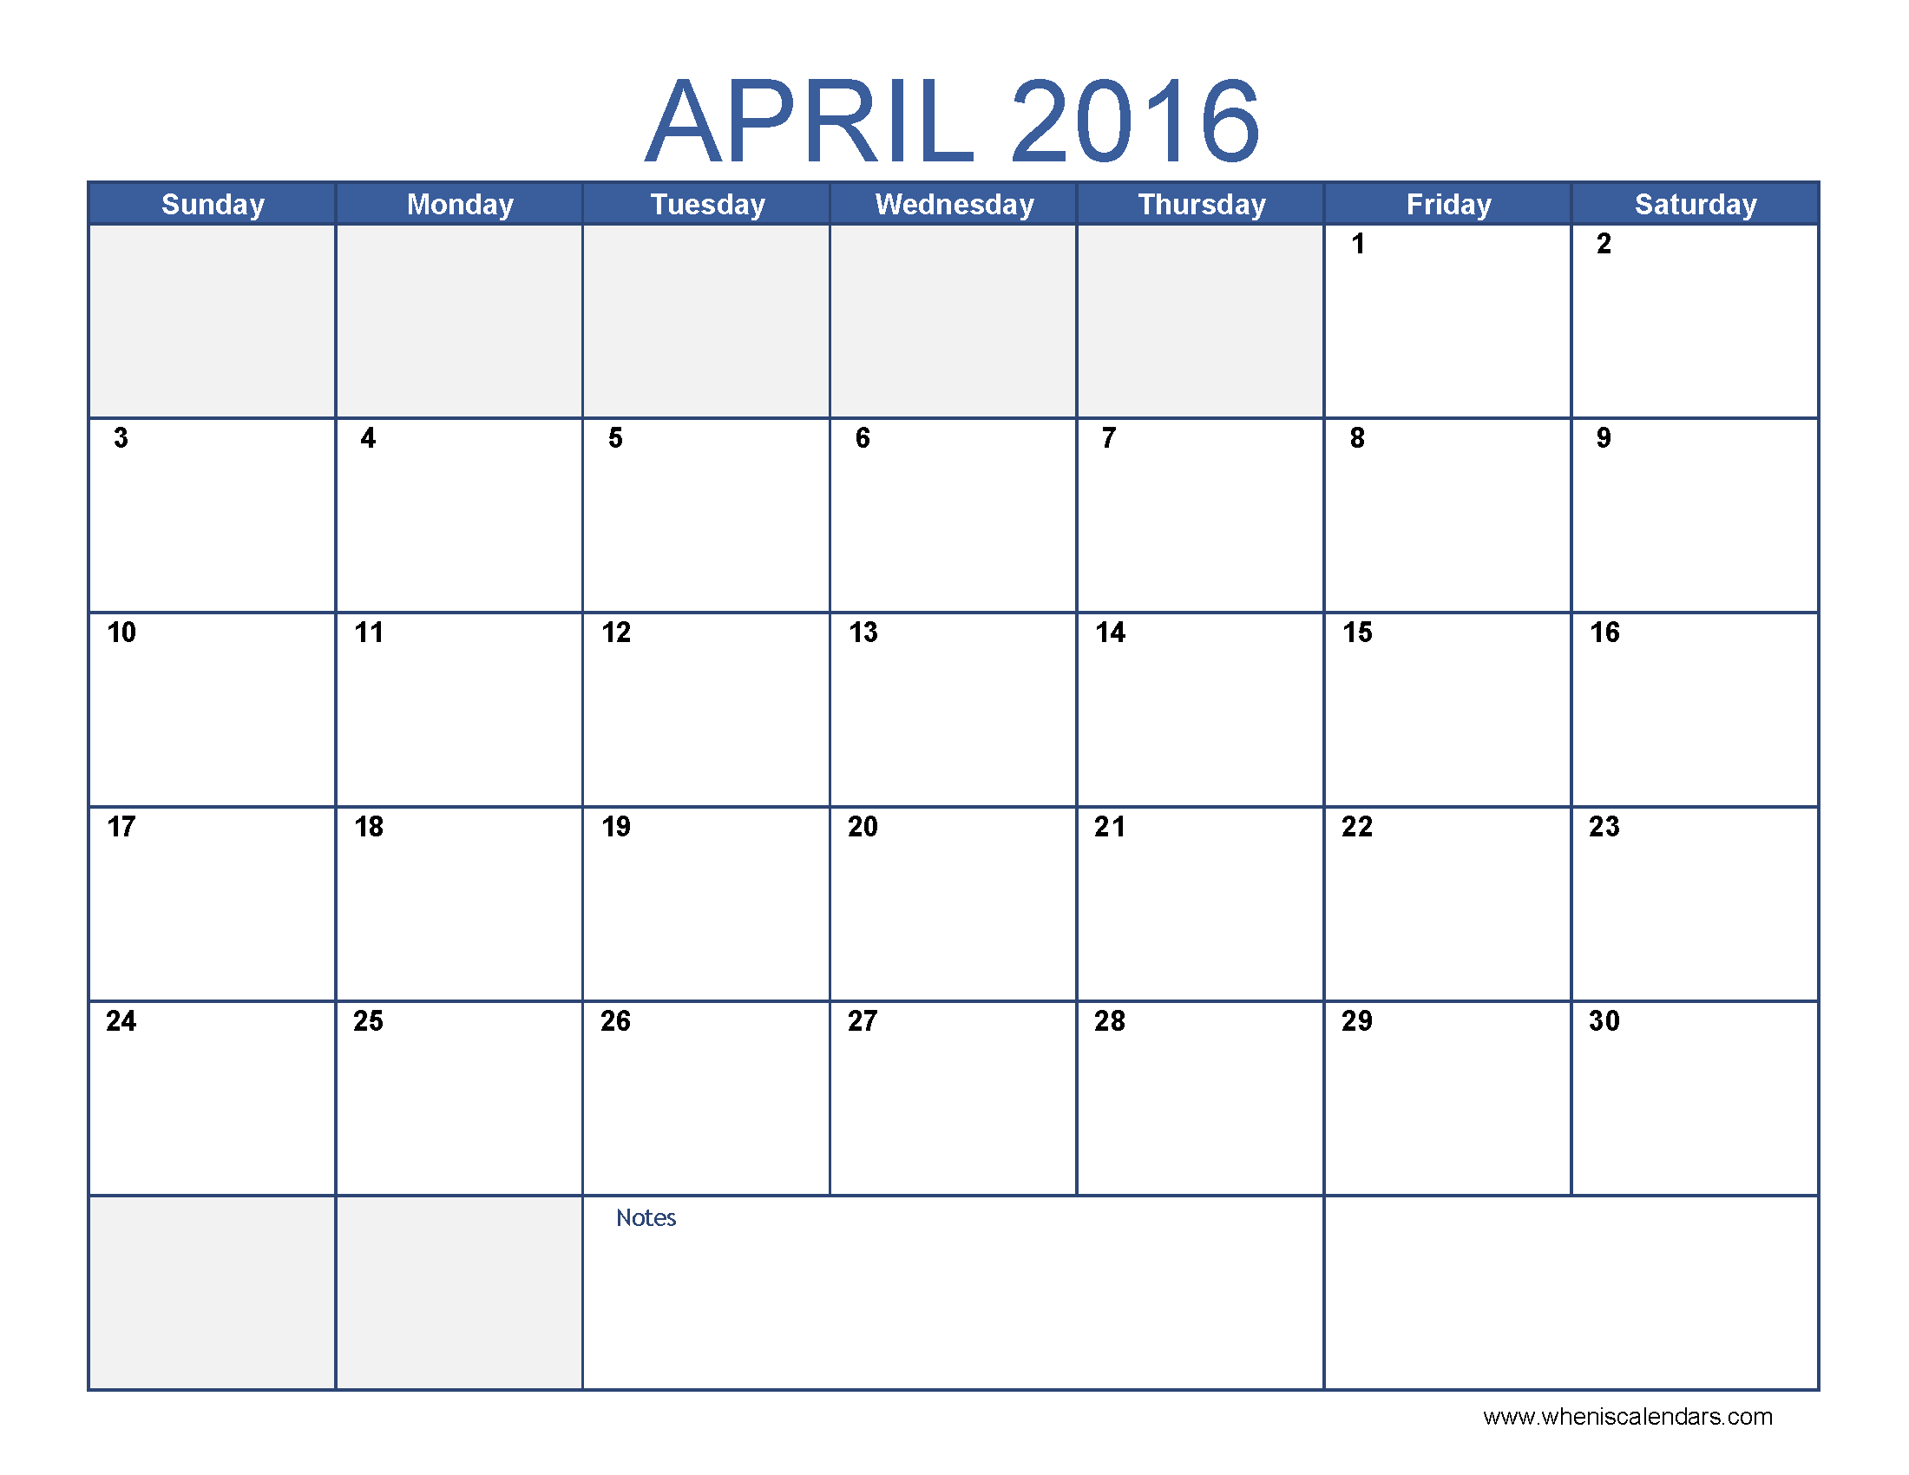

NETWORKDAYS
NETWORKDAYS - Example with date picker

Requested by Darryl Jaftha
 | Today | 2020-08-16 | Holidays
 | Start Date | 1-Mar-16 | 1-Mar-16
 | End Date | 30-Apr-16 | 16-Mar-16
 |  |  | 28-Mar-16
 | NETWORKDAYS | 38 | 1-Apr-16
 |  |  | 12-Apr-16
 |  |  | 21-Apr-16

